Sheet2
Script No. | Test Case | Steps | Success criteria | Screenshots
1 | Checkout via Amazon Payment on Guest Customer page | 1.Go to qa.cymax.com, Select Furniture from Naivgation bar. 2. Click on Beds>>Bed 3. Bed category Page will show. Capture Screenshot 4. Select Bed Item: 1652636 5. Click on to Add to card button 6. Select shipping on selected product on Cart page 7. Click on Checkout button will leads to Guest cutomer page 8. Select AmazonPay on Guest Cutomer Login page 9. User will find AmazonPay sandbox 10. Login with Raj's credentials on AmazonPay sandbox username:- Raj.r@cymax.com password:- Welcome@2 11. Click on Continue checkout button on sandbox button 12. User will redirected to Review order page 13. Click on Place Order Button Review order page 14. Will redirect to Amazon sandbox 15. Order confirmation page will display | Customer should be able to checkout suceesfully. | 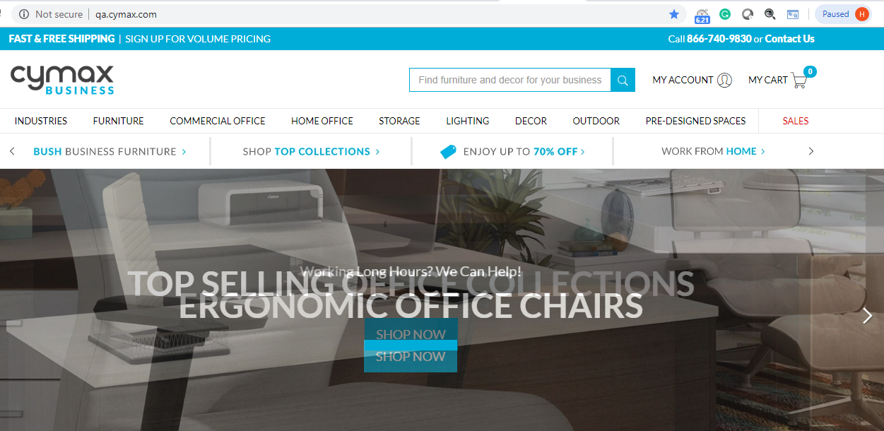 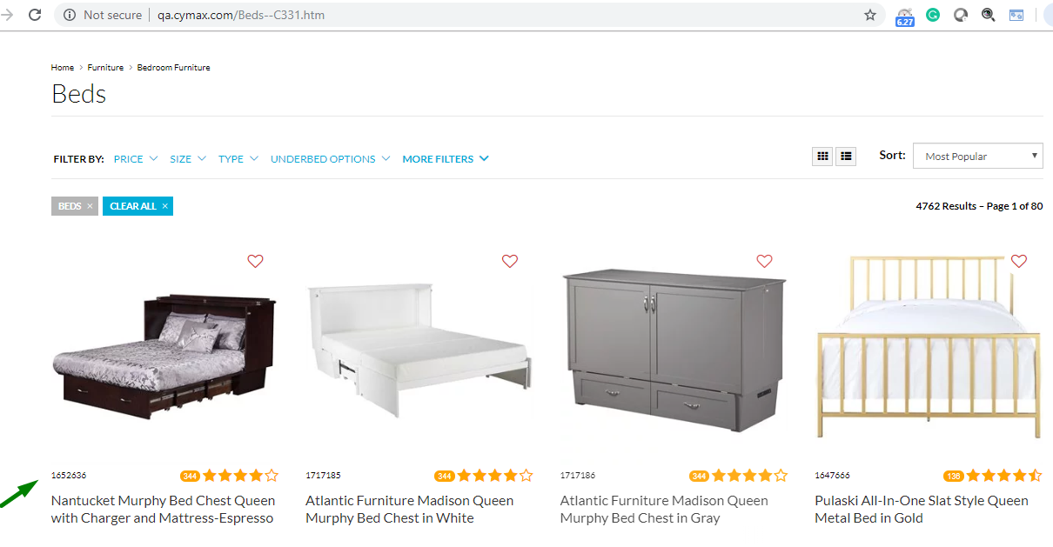 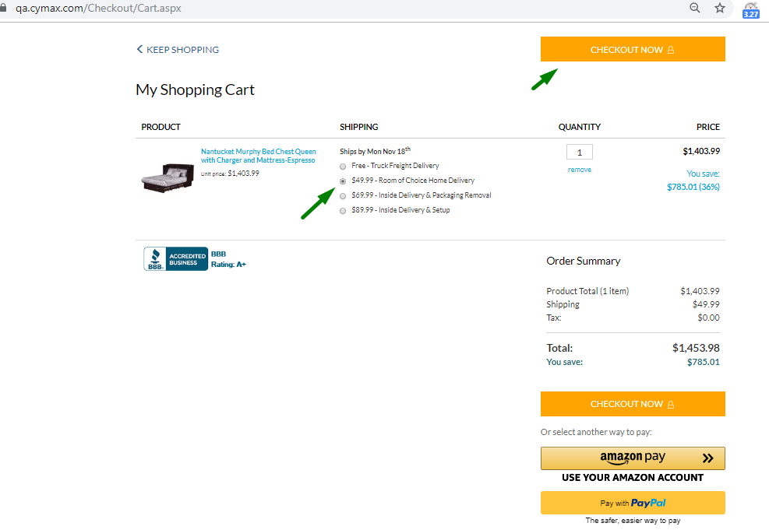 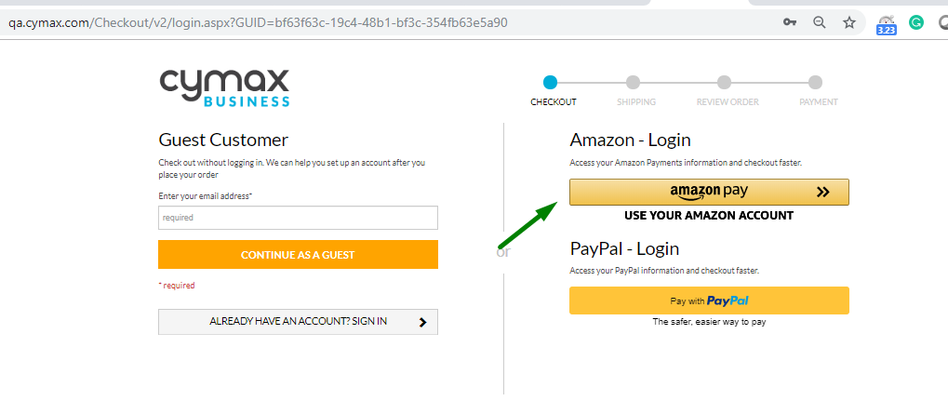 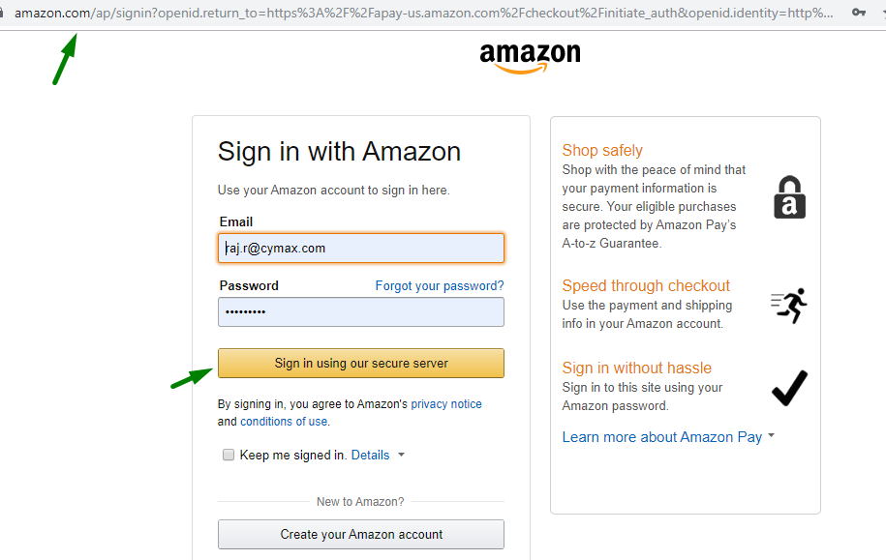 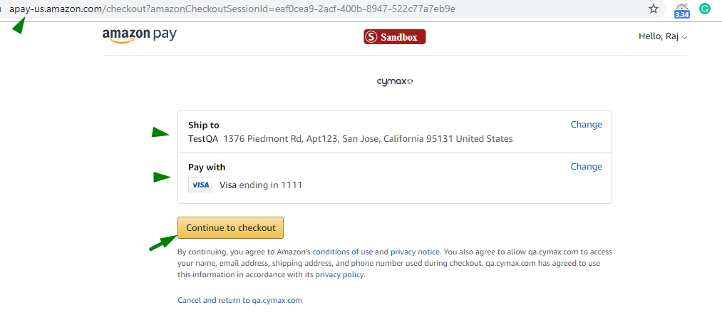 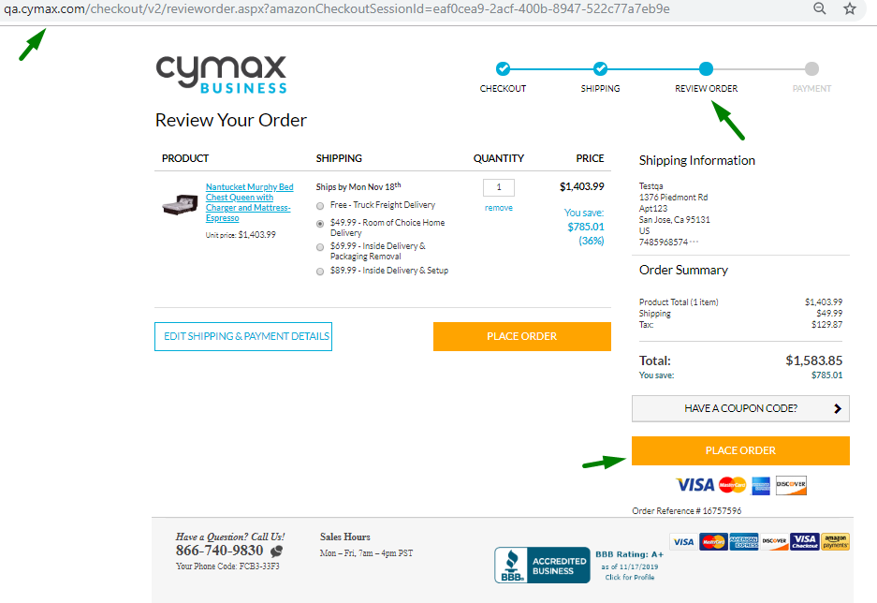 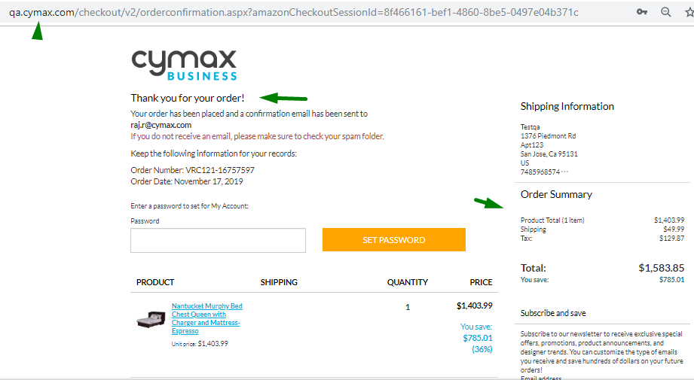
3
 | Checkout via AmazonPay on My cart page/Checkout page | 1.Go to qa.cymax.com, Select Furniture from Naivgation bar. 2. Click on Beds>>Bed 3. Bed category Page will show. Capture Screenshot 4. Select Bed Item: 1652636 5. Click on to Add to card button 6. Select shipping on selected product on Cart page 7. Select AmazonPayment on checkout page 8. User will lead to AmazonPay sandbox 9. Login with Raj's credentials on AmazonPay sandbox username:- Raj.r@cymax.com password:- Welcome@2 10. Click on Continue checkout button on sandbox button 11. User will redirected to Review order page 12. Click on Place Order Button Review order page 13. Will redirect to Amazon sandbox 14. Will lead to Order confirmation page | Customer should be able to checkout suceesfully. | 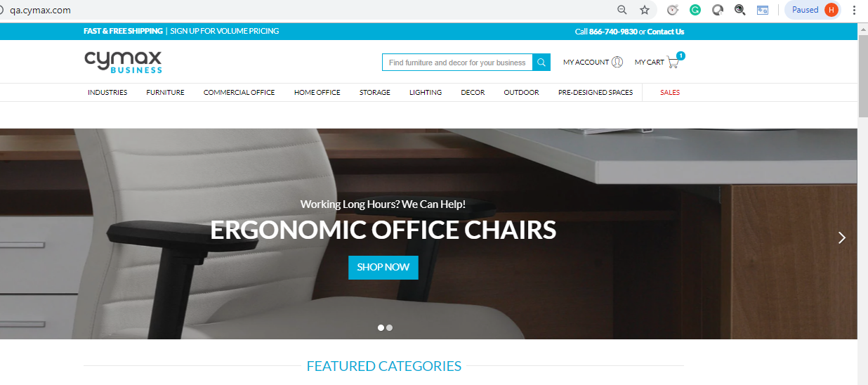 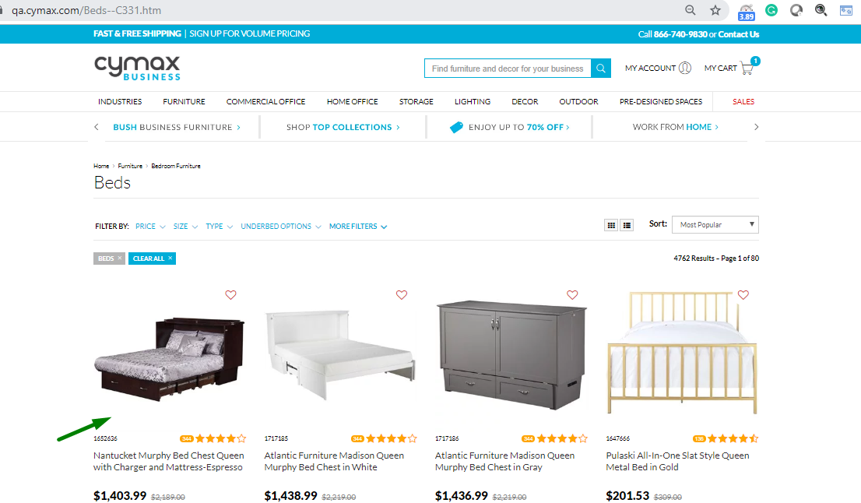 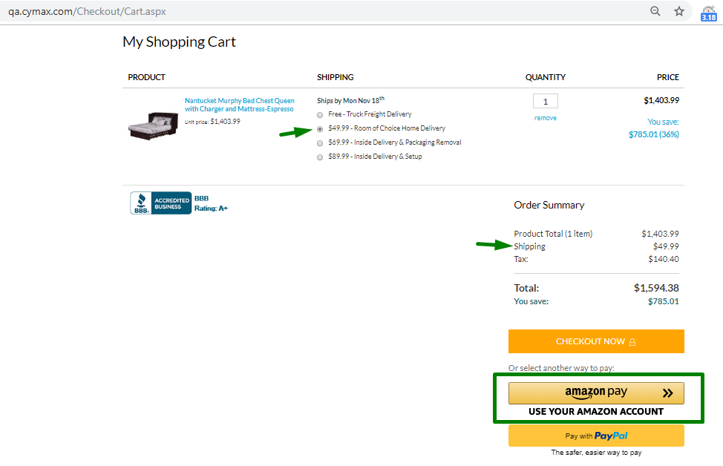 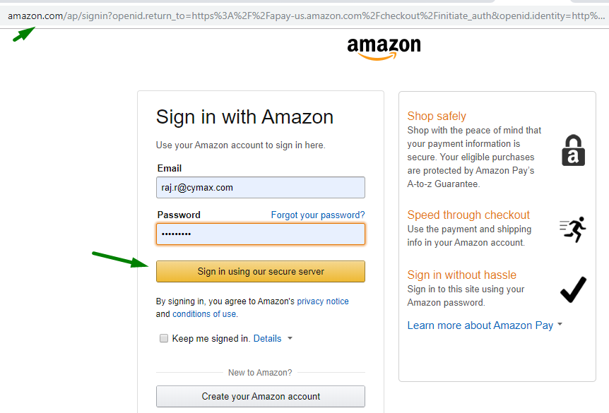 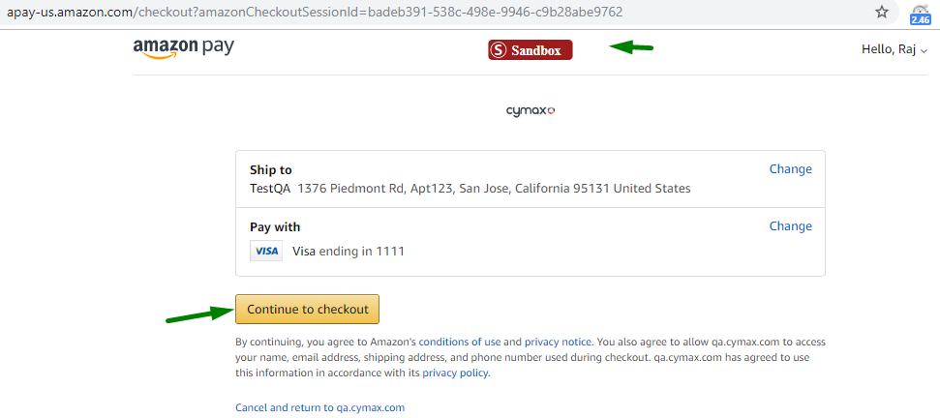 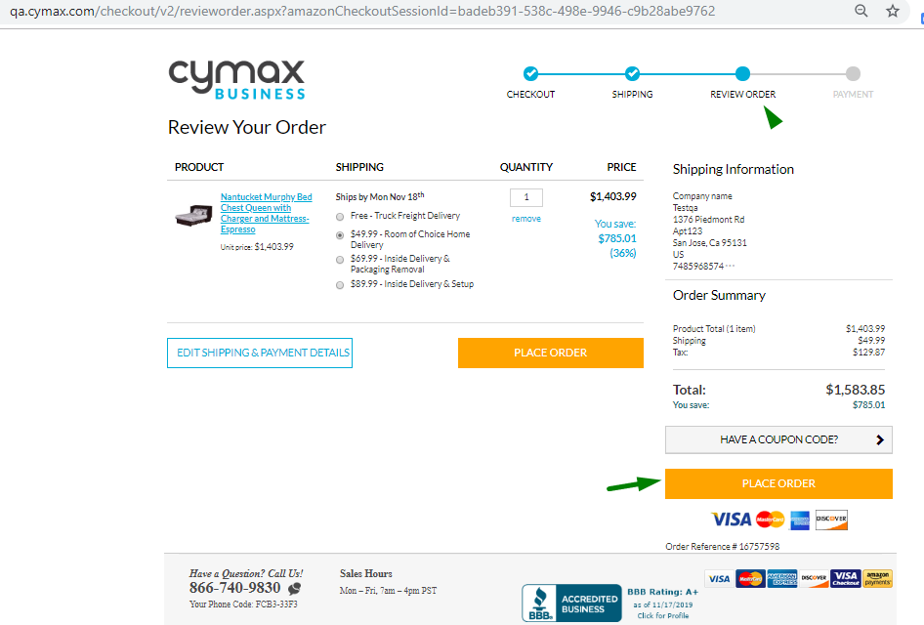
4 | AmazonPay on Signin page | 1. Go to qa.cymax.com 2. Hover the mouse over My Acount link on Homepage 3. Select AmazonPay sandbox on Signin page 4. User will lead to AmazonPay sandbox page 5. Login with UserName: Raj.r@cymax.com Password:- Welcome@2 6. Will lead user's Account | AmazonPay should be display and user should be able to logg-in with Amzon pay on sign-in page | 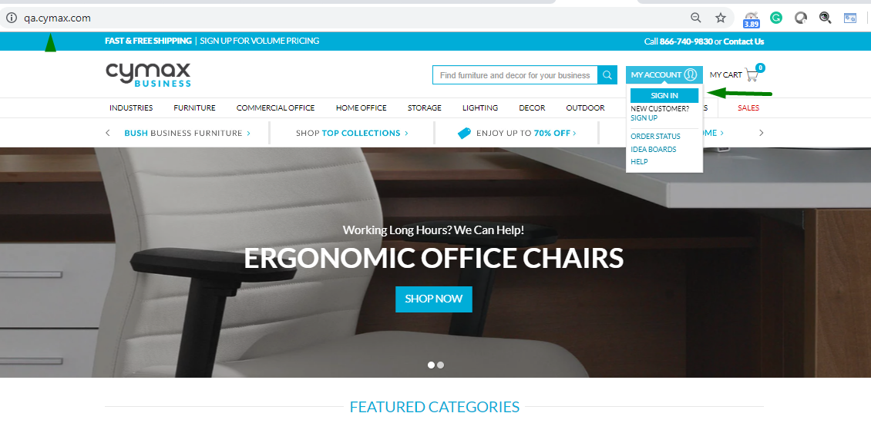 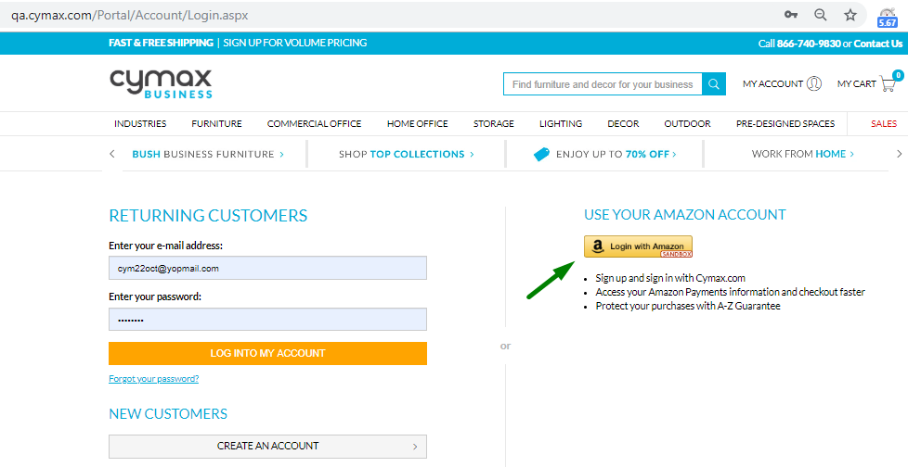 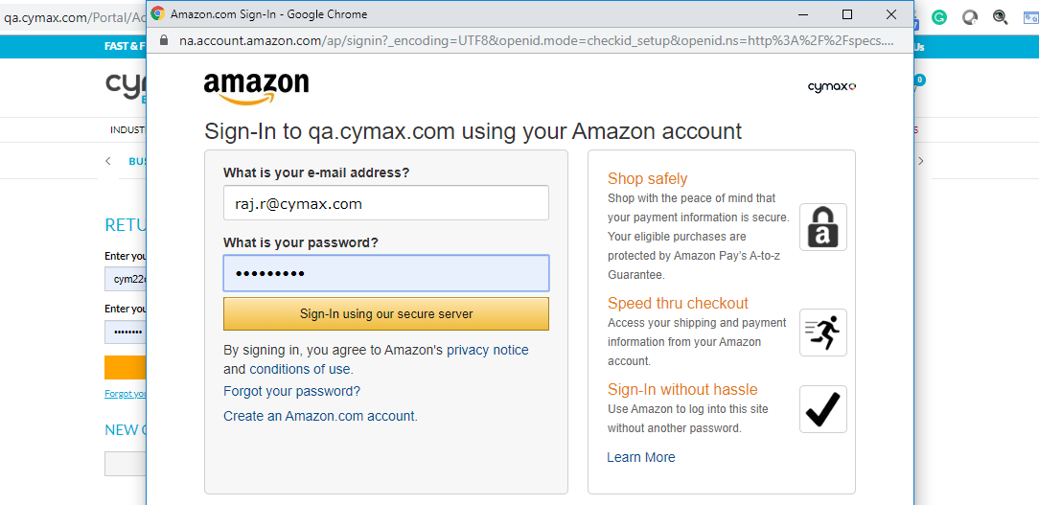 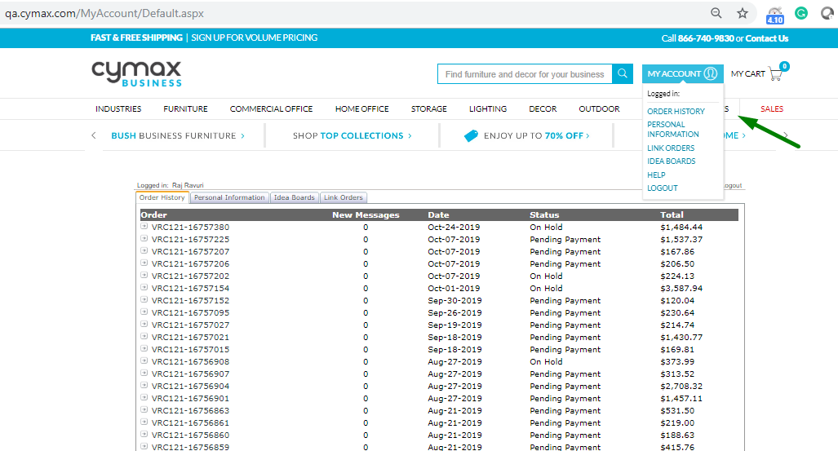
 | Checkout via Amazonpay on payment page | 1. From previous test case 2. Select Furniture from Naivgation bar Click on Select Furniture from Naivgation bar. 3. Click on Beds>>Bed 4. Bed category Page will show. Capture Screenshot 5. Select Bed Item: 1652636 6. Click on to Add to card button 7. Select shipping on selected product on Cart page a) Check for shipping charges will be same throughout the order completion b) Tax value should be null(0) on Cart page 8. Select continue to checkout on checkout page 9. Enter shipping address and click on review order button 10.Click on Continue to Payment button 11. Select AmazonPay on Payment page 12. User will lead to AmazonPay sandbox 13. Login with Raj's credentials on AmazonPay sandbox username:- Raj.r@cymax.com password:- Welcome@2 14. Click on Continue checkout button on sandbox button 15. User will redirected to Review order page Validate Following a) Product total amount b) Shipping c) Tax e) Total Amount On Review order page 16. Click on Place Order Button Review order page 17. Will redirect to Amazon sandbox 18. Will lead to Order confirmation page | Customer should be able to checkout suceesfully. | 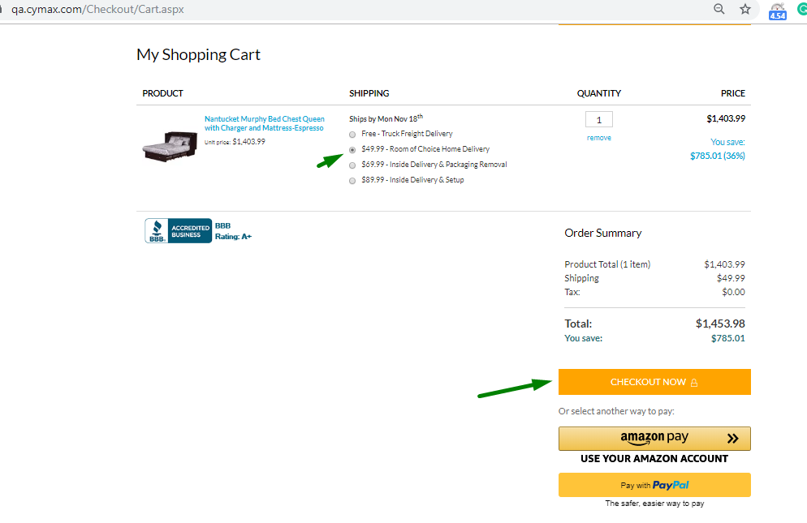 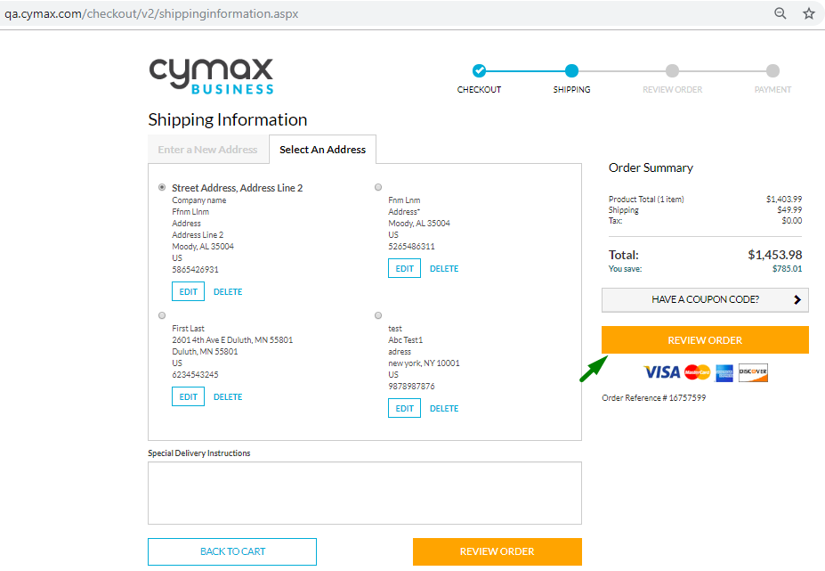 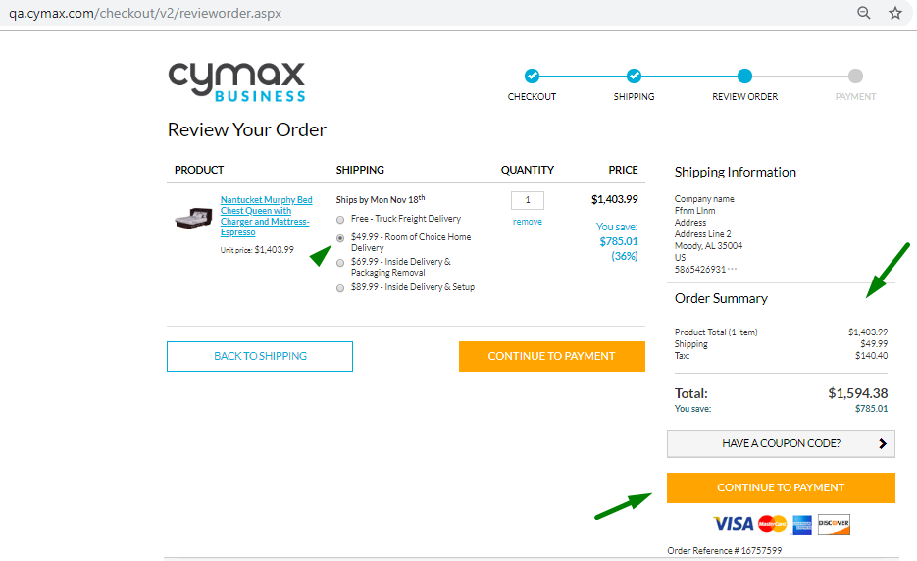 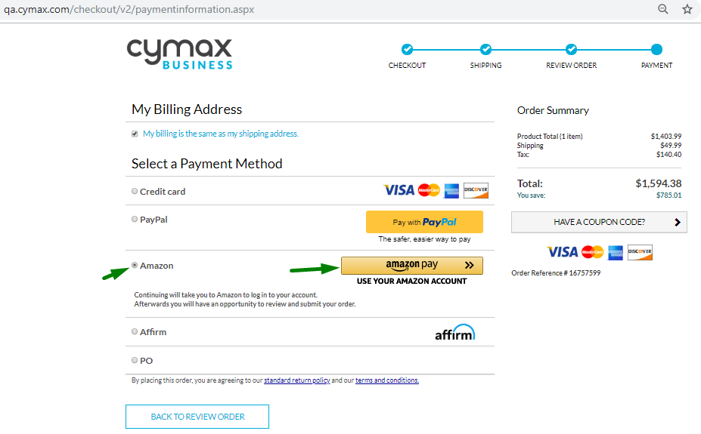 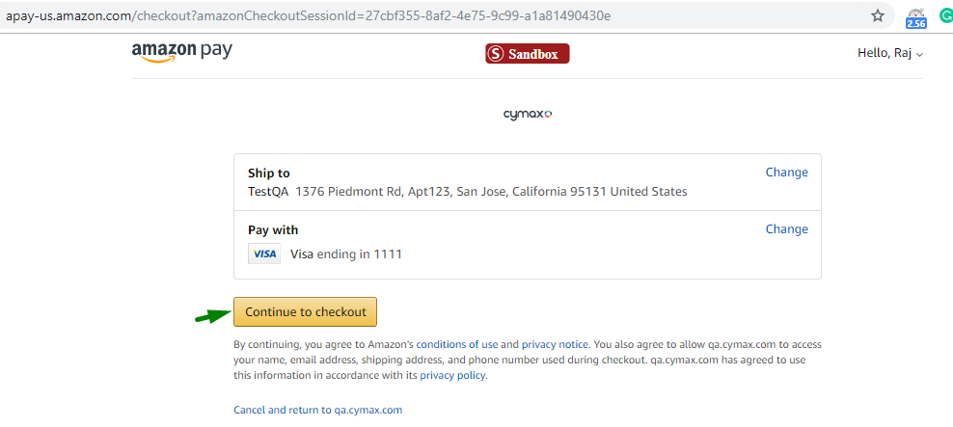 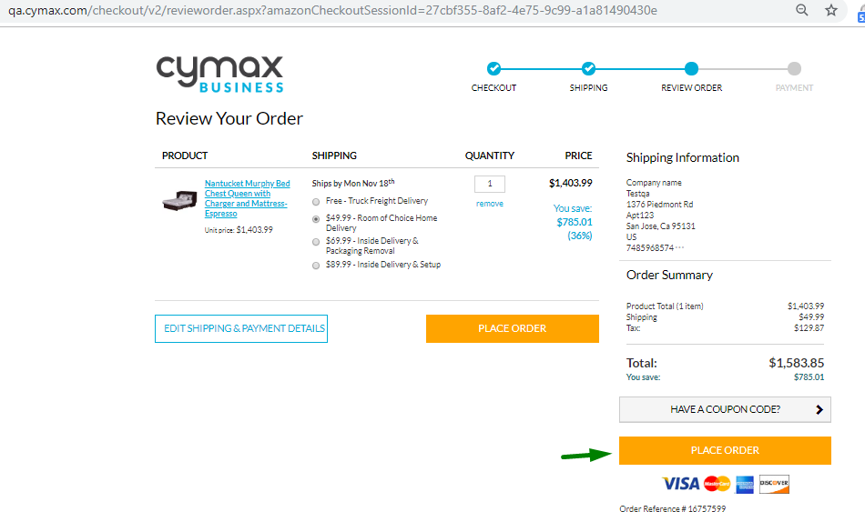 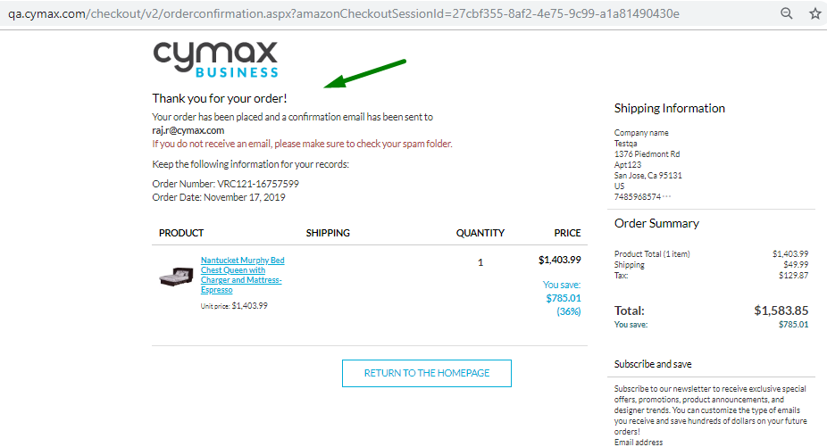
 | Order confirmation for Amazon Payment on Payment page | 1. From previous test case, customer will see Order Confirmation page. Capture screenshot Vadidate Followings:- a) Product total amount b) Shipping c) Tax d) Total Amount On Order confirmation page 2.Verify that order is sucessfully created. Store the order ID 3.Validate text "Thank you for your order!" | Order confirmation is seen by customer after placing order | 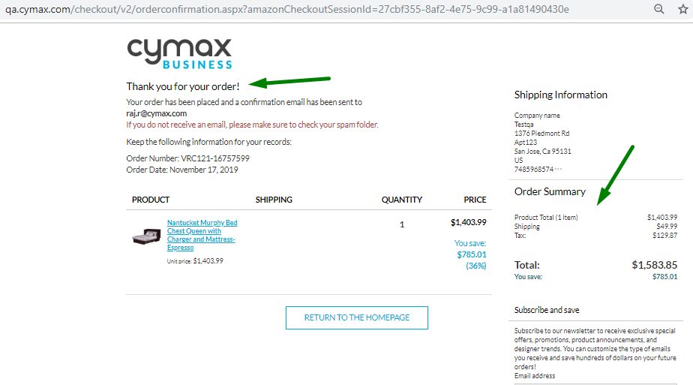
5 | Log Off <NEED TO ENSURE THAT THIS IS STILL WORKING FINE> | 1. From previous test case,click on Logout Link 2. Logout sucessful page will show 3. Close browser
 |  | Exception Handling: 1. Any crashes, Page does not load | failure test case, capture screenshot, enter in log . Try total 3 times and then exit the test script

